Sheet1
Clock | Reg Page | Reg No. | Reg Setting | Reg Setting | Value | Freq (Hz) | Notes
F_CPU |  |  |  |  |  | 180,000,000 | Teensy CPU clock speed
Sampling Rate (set by user) |  |  |  |  |  | 48,000
mult |  |  |  |  |  | 128 | From Teensy lookup table (output_i2s_f32.cpp), based on sample rate
div |  |  |  |  |  | 1,875
MCLK |  |  |  |  |  | 12,288,000
PLL_CLKIN Multiplexer | 0 | 4 | 0x03 | b0000 00 11 |  | 12,288,000 | CODEC CLK IN = PLL_CLK PLL CLK IN is MCLK
CODEC_CLK_IN |  |  |  |  |  | 98,304,000
P | 0 | 5 | 0x91 | ‭b1 001 0001‬ | 1 |  | D7 = 1: PLL enabled
R | 0 | 5 | 0x91 | ‭b1 001 0001‬ | 1
J | 0 | 6 | 0x08 |  | 8
D (MSB) | 0 | 7 |  | 0 | 0 |  | PLL_D >> 8
D (LSB) | 0 | 8 |  | 0 |  |  | PLL_D &0xFF
PLL_CLK |  |  |  |  |  | 98,304,000

NADC | 0 | 18 | 0x82 | b1000 0010 | 4 |  | D7 = 1: NADC divider enabled
MADC | 0 | 19 | 0x88 | b1000 1000 | 8 |  | D7 = 1: MADC divider enabled
ADC_MOD_CLK |  |  |  |  |  | 3,072,000 | NOTE: Must be below 3.3MHz

AOSR | 0 | 20 | 0x40 | b‭0100 0000‬ | 64

ADC Signal Processing | 0 | 61 | 0x01 | b0000 0001 | PRB_R1 |  | AOSR must be 128 or 64

Dig Mic Clk | 0 | 55 | 0x0E | b000 0111 0 |  |  | MISO is clock output for Digital Microphone
Dig Mic Data | 0 | 56 | 0x02 | b0000 0010 |  |  | SCLK pin is enabled for SPI clock in SPI Interface mode or when in I2C Interface enabled for Secondary Data Input or Secondary Bit Clock Input or Secondary Word Clock or Secondary ADC Word Clock or Digital Microphone Input
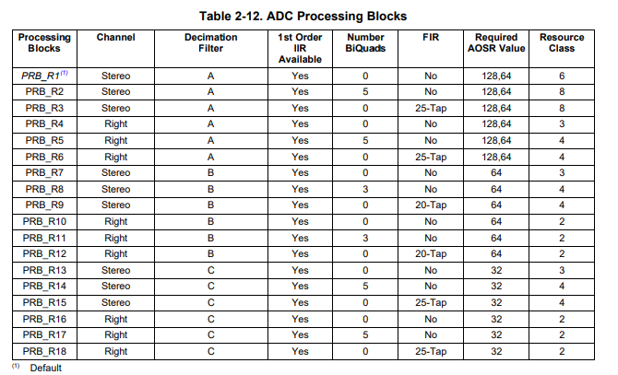

Sampling Rate |  |  |  |  |  | 48,000

LOOKUP TABLE FOR MCLK
 | F_CPU = 180MHz
Sample Rate | Mult | Div
22050 | 98 | 3125
24000 | 37 | 1084
32000 | 183 | 4021
44100 | 196 | 3125
44117 | 16 | 255
48000 | 128 | 1875
88200 | 107 | 853

